Sheet1
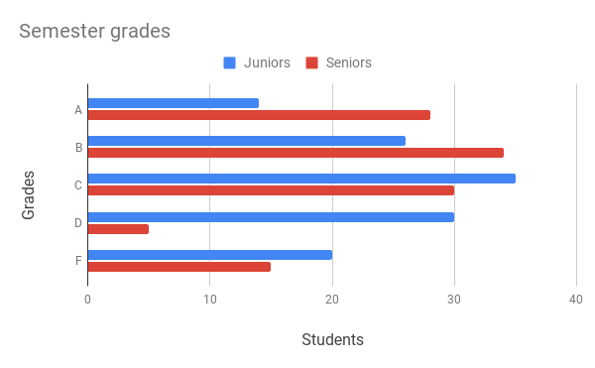
Example: | Bar chart
Grades | Juniors | Seniors
A | 14 | 28
B | 26 | 34
C | 35 | 30
D | 30 | 5
F | 20 | 15

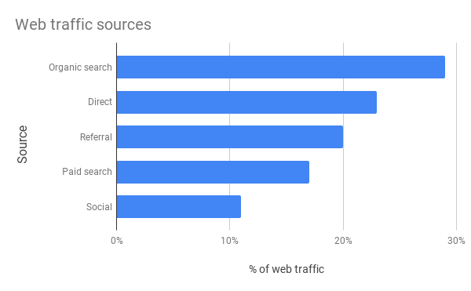
Example: | Bar chart
Source | Percent
Organic search | 29%
Direct | 23%
Referral | 20%
Paid search | 17%
Social | 11%

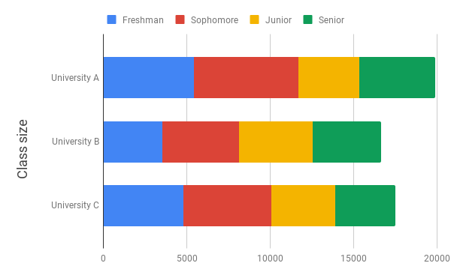
Example: | Stacked bar chart
School | Freshman | Sophomore | Junior | Senior
University A | 5,425 | 6,251 | 3,650 | 4575
University B | 3,550 | 4,580 | 4,400 | 4100
University C | 4,800 | 5,250 | 3,850 | 3600

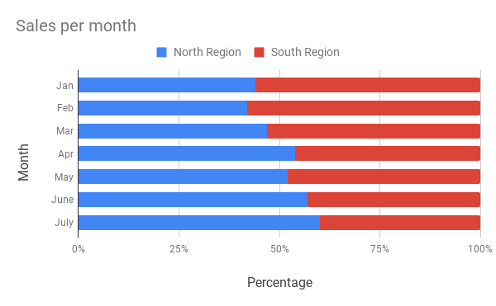
Example: | 100% stacked bar chart
Month | North Region | South Region
Jan | 44% | 56%
Feb | 42% | 58%
Mar | 47% | 53%
Apr | 54% | 46%
May | 52% | 48%
June | 57% | 43%
July | 60% | 40%

